Modified Goals
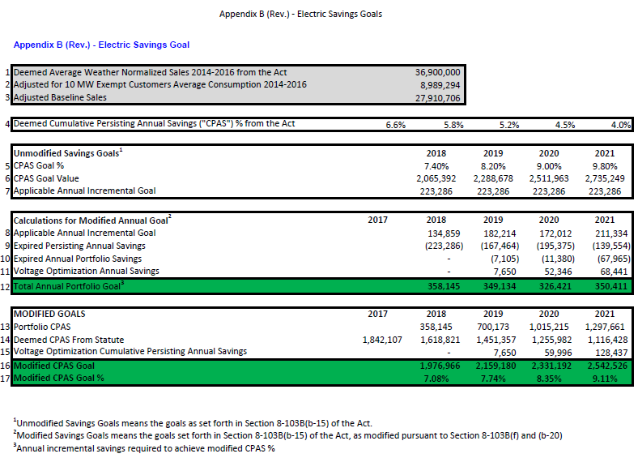
Most recent AIC electric savings goals are presented in Appendix B to AIC's Compliance Filing from February 19, 2019 in Docket 17-0311: https://icc.illinois.gov/downloads/public/edocket/492911.pdf
These goals are modified pursuant to 220 ILCS 5/8-103B(f) and (b-20).

